Report page 1
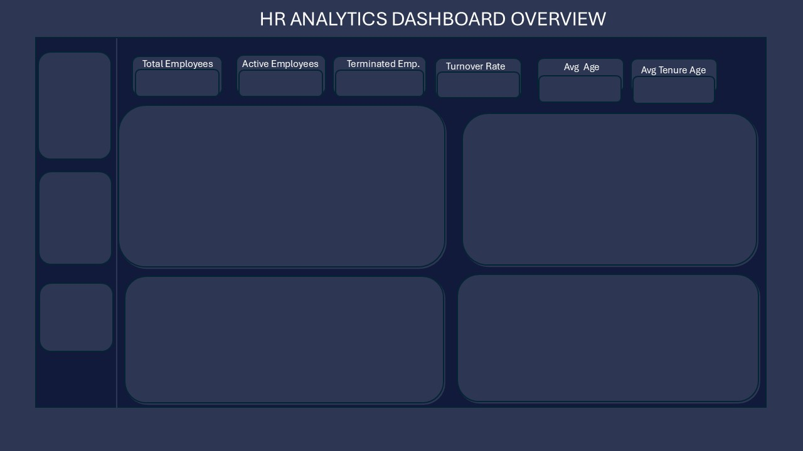

310
207
103
33,2%
39,6
years
5,4
years

Turnover by Department
Executive Office | 0.0%
Admin Offices | 2.3%
It/Is | 3.4%
Production | 4.5%
Sales | 11.4%
Software Engineering | 78.4%
Termination Trend
 | 1
2010 | 1
2011 | 2
2012 | 6
2013 | 12
2014 | 12
2015 | 19
2016 | 20
2017 | 7
2018 | 9

Turnover by Age Group
 | Turnover Rate
30 - 44 | 58.0%
45 - 59 | 18.2%
Under 30 | 23.9%
60 and Above | 0.0%
Avg Tenure Age of Leavers by Department
 | 1
Admin Offices | 1.00
It/Is | 1.70
Production | 3.70
Sales | 2.00
Software Engineering | 4.33

koko Mukuru Yves

Report Page 2
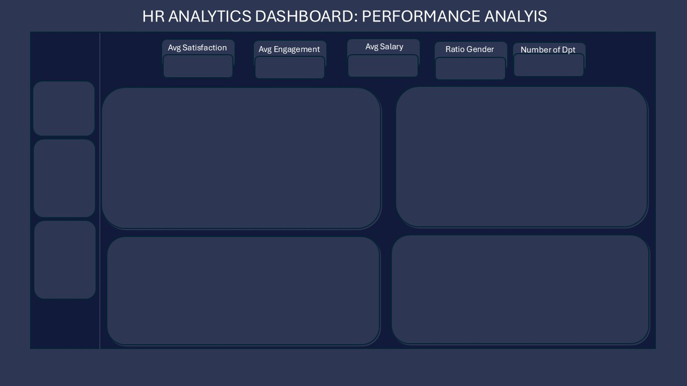

3,9
/ 5.0
4,1
/ 5.0
$69 033,80
1,30
6

Leavers Engagement and Satisfaction by Dept
 | Average of EngagementSurvey | Average of EmpSatisfaction
Executive Office | 4.8 | 3.0
Admin Offices | 4.4 | 3.6
Production | 4.3 | 4.0
Software Engineering | 4.3 | 4.0
It/Is | 4.3 | 4.0
Sales | 4.2 | 4.2
Recruitment Source Hires & Performance
 | Exceeds | Fully Meets
Indeed | 12 | 66
Linkedin | 9 | 60
Google Search | 2 | 43
Employee Referral | 5 | 25
Diversity Job Fair | 6 | 18
Careerbuilder | 2 | 17
Website | 1 | 10
Other |  | 2
On-Line Web Application |  | 1

Average Tenure by Performance Score
 | Total
Exceeds | 6.2
Fully Meets | 5.3
Salary by Gender
 | Total
F | $68416.48
M | $71080.21

koko Mukuru Yves

